Review
s.no. | Shop Name | Review | links
1 | Mico airtech |  |  | 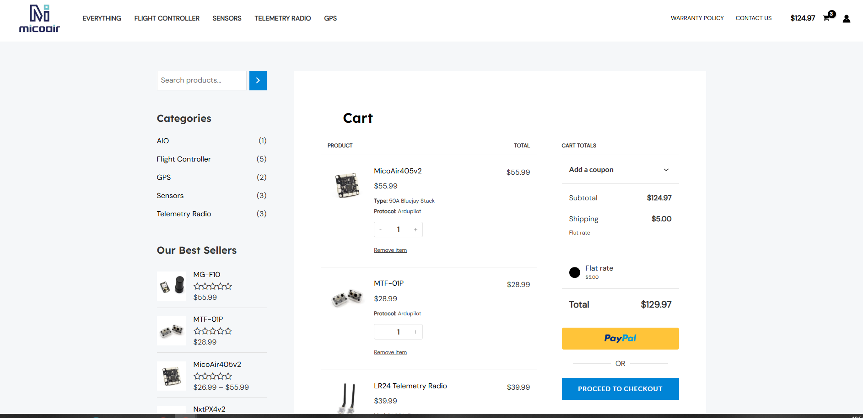
2 | robofusion |  | LINK | 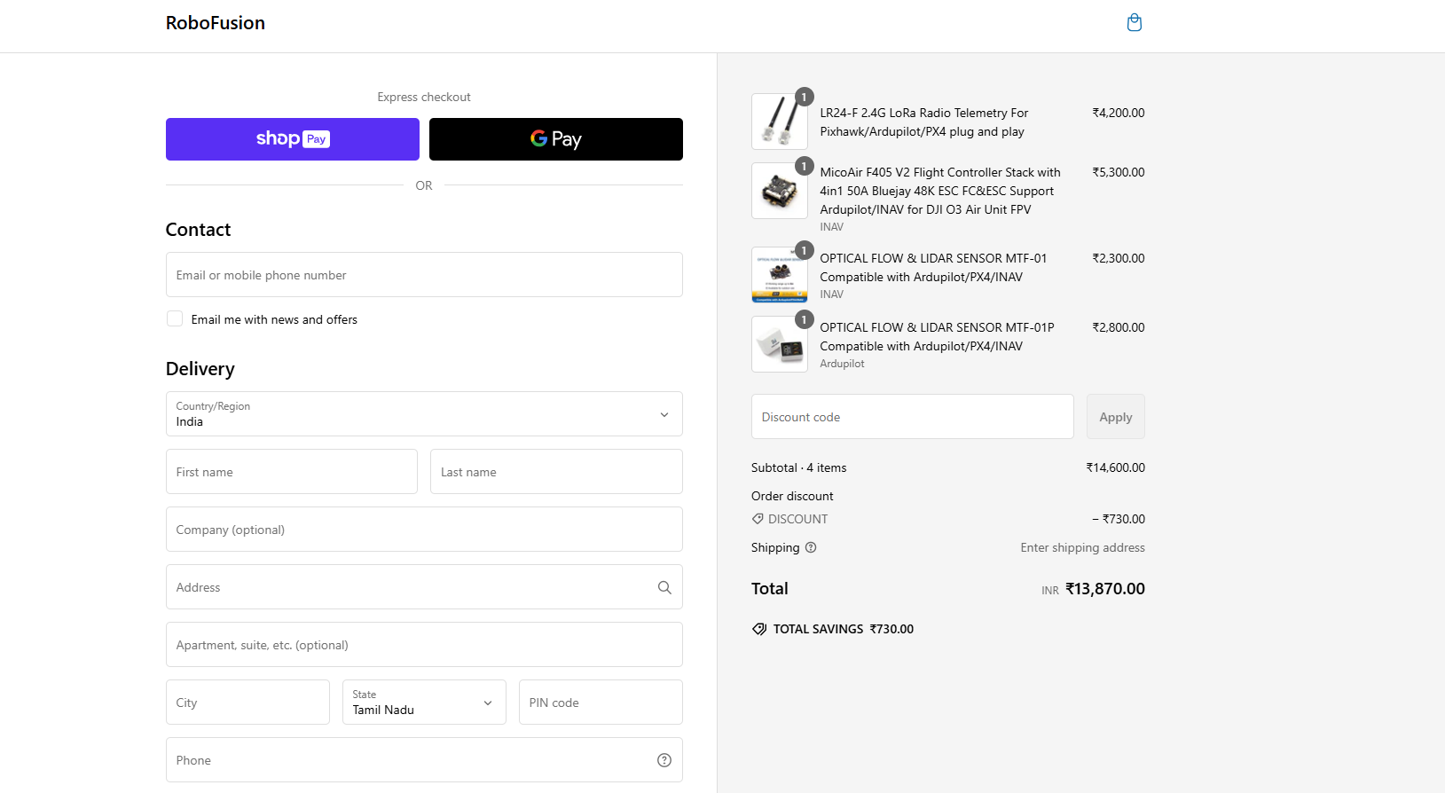
3 | DRKstore
4 | anubisRC
5 | Robosync

